operation_boundaries
Entry created by | Variable | Comfort limits (e.g., numeric values; dynamic or static) | Objective of study | Other constraints | Reference
Jacopo | Operative temperature | Static boundaries depending on comfort class according to Annex A of Standard EN 15251 (e.g. 20-25°C for heating and 23-26°C for cooling season in comf class II) | Sensitivity analysis on energy flexibility of different building archetypes | Maximum power limit of heating system according to EN 12831 Standard | https://doi.org/10.1016/j.scs.2019.101815
Jacopo | Relative humidity | Up to 60% with T=24°C and down to 45% with T=27°C according to ASHRAE Standard 55 and ISO 7730 (see ref. paper for more detail)
Manolis | Operative temperature | Between 20 and 24 °C in winter and 23–26 °C in summer for people with a sedentary activity level of 1.2 met and a clothing thermal resistance of 1.0 and 0.5 clo for winter and summer, respectively | Review study on radiant low temperature heating and high temperature cooling systems | Based on ISO 7730 and BS ISO 16814 | https://doi.org/10.1016/j.seta.2021.101661
Manolis | Operative temperature | See Table 6 | Review of adaptive thermal comfort models (historic evolution/ evaluation/ strengths and constraints |  | https://doi.org/10.1016/j.buildenv.2022.109020
Manolis | Perceived temperature | SIA 180/2014 D uses SN EN ISO 7730 for thermal comfort. Boundaries depend on clothing and activity level. |  | Is the operative temperature is the perceived temperature for the occupants? The perceived temperature by occupants depends on four environmental factors including dry air-bulb temperature, the mean radiant temperature, relative humidity, the air velocity and two personal factors of clothing and activity level | G:\08-03 Standards and Literature\Normen_Standards\Normen_SIA\SIA-180\Norm_180_2014
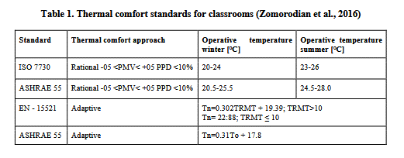
Hanmin |  |  |  |  | https://doi.org/10.1061/9780784483893.052

